Module 7
 | Maximal Flow -> |  |  | 324
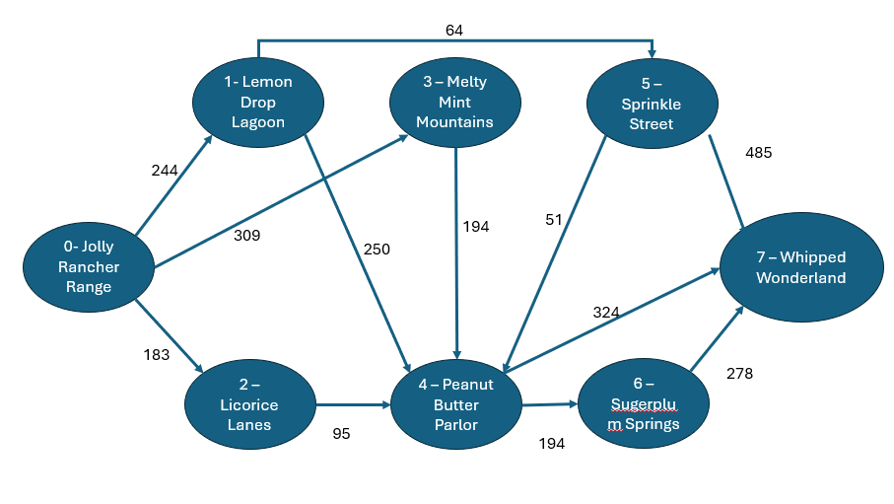
Units of Flow | Links |  |  |  | Upper Bound |  |  |  |  |  | Supply / Demand
 | To |  | From |  |  | Nodes |  | Inflow | Outflow | Net Flow
244 | 0 | Jolly Rancher Range | 1 | Lemon Drop Lagoon | 244 | 0 | Jolly Rancher Range | 324 | 324 | 0 | 0
80 | 0 | Jolly Rancher Range | 2 | Licorice Lanes | 183 | 1 | Lemon Drop Lagoon | 244 | 244 | 0 | 0
0 | 0 | Jolly Rancher Range | 3 | Melty Mint Mountains | 309 | 2 | Licorice Lanes | 80 | 80 | 0 | 0
244 | 1 | Lemon Drop Lagoon | 4 | Peanut Butter Parlor | 250 | 3 | Melty Mint Mountains | 0 | 0 | 0 | 0
0 | 1 | Lemon Drop Lagoon | 5 | Sprinkle Street | 64 | 4 | Peanut Butter Parlor | 324 | 324 | 0 | 0
80 | 2 | Licorice Lanes | 4 | Peanut Butter Parlor | 95 | 5 | Sprinkle Street | 0 | 0 | 0 | 0
0 | 3 | Melty Mint Mountains | 4 | Peanut Butter Parlor | 194 | 6 | Sugarplum Springs | 0 | 0 | 0 | 0
0 | 3 | Melty Mint Mountains | 6 | Sugarplum Springs | 128 | 7 | Whipped Wonderland | 324 | 324 | 0 | 0
324 | 4 | Peanut Butter Parlor | 7 | Whipped Wonderland | 324
0 | 4 | Peanut Butter Parlor | 6 | Sugarplum Springs | 194
0 | 5 | Sprinkle Street | 7 | Whipped Wonderland | 485
0 | 5 | Sprinkle Street | 4 | Peanut Butter Parlor | 51
0 | 6 | Sugarplum Springs | 7 | Whipped Wonderland | 278
324 | 7 | Whipped Wonderland | 0 | Jolly Rancher Range | 9999

